Tables and Graphs C172
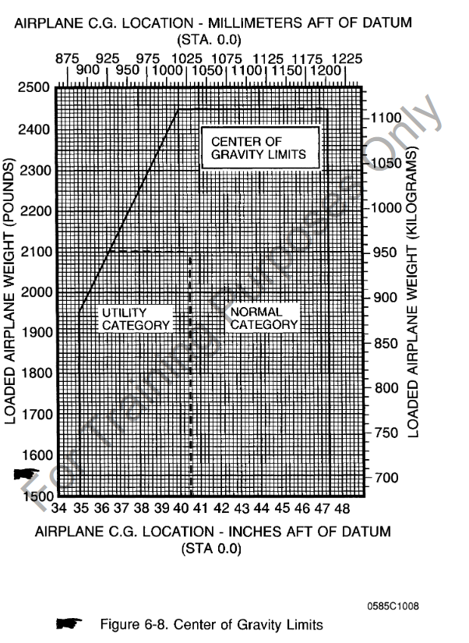
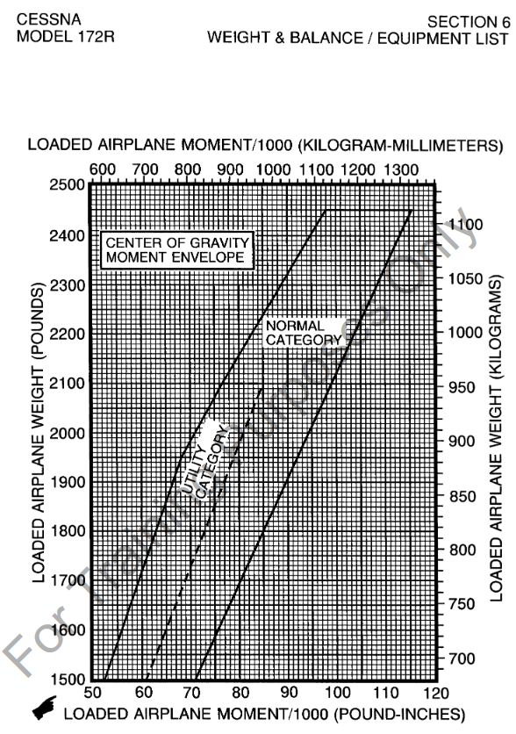
SE Fleet Weight and Balance Table C172 Version

Tail | Type | Gross Ramp Wt | Basic EW | Moment | Useful Load
N5178U | C172R | 2457 | 1662.9 | 65862.75 | 794.15
N5178Y | C172R | 2457 | 1632.5 | 62674 | 824.5
N51800 | C172R | 2457 | 1661.5 | 66005.28 | 795.47
N5181A | C172R | 2457 | 1662.3 | 68329.54 | 794.7
N5181B | C172R | 2457 | 1655.0 | 64698.5 | 802
N35387 | C172R | 2457 | 1664.3 | 65910.94 | 792.7
N42007 | C172R | 2457 | 1669.6 | 65327.7 | 787.4
N6235T | C172R | 2457 | 1705.3 | 68871.8 | 751.7
N857SP | C172S | 2558 | 1671.0 | 69919.7 | 887

