W&B Calculator C150-C152
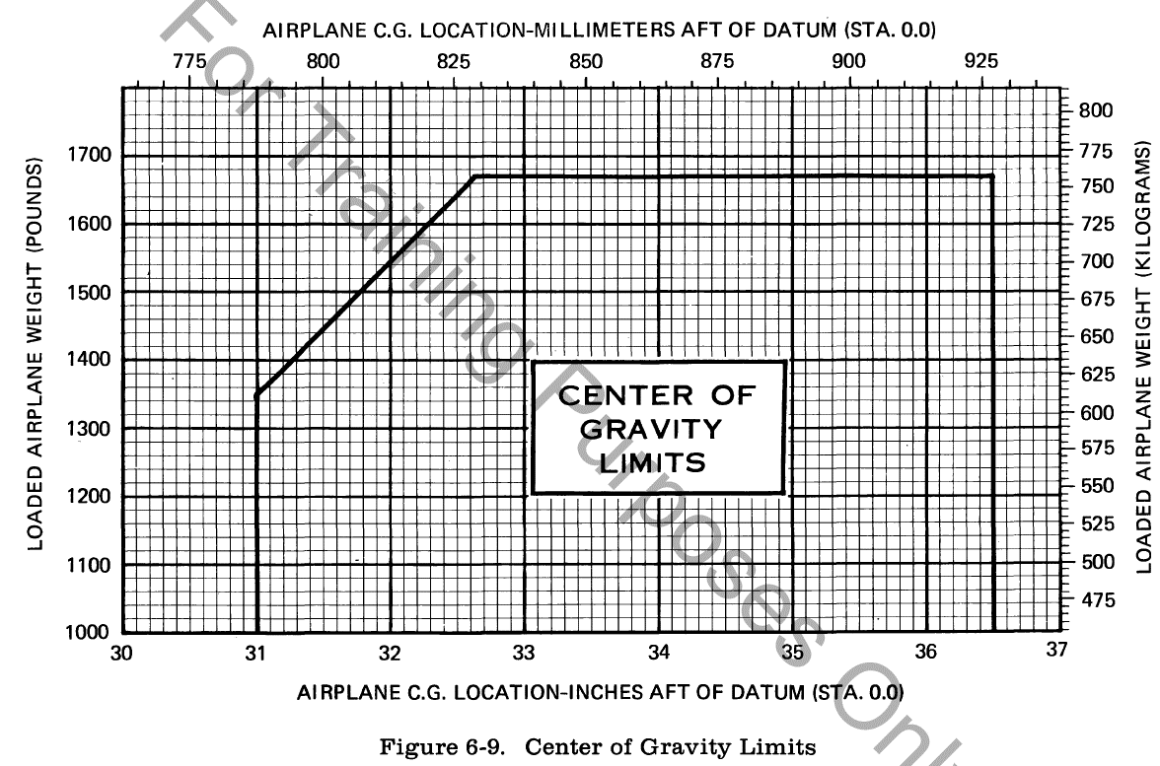
Weight and Balance Calculator - C150-C152 Version (R3)
First, goto tab 2 and copy the line of the aircraft you intend to fly and paste it to line 5 below
Second, Fill in Yellow areas only, spreadsheet will do the rest!
Tail | Type | Gross Ramp Wt | Basic EW | Moment | Useful Load | Full Fuel Payload
N98SS | C150 | 1600 | 1104.6 | 36523.76 | 495.42 | 360.42

 |  | Gal on board | lbs/ gallon | Fuel Wt |  | Max Fuel (Gallons)
 | Fuel Gallons-useable | 0 | 6.0 | 0 |  | 22.5

 |  | Hours | GPH (avg) | Gallons Burned | Pounds Burned | C152 Max Gross = 1670
 | Length of Flight | 0 | 5.2 | 0 | 0 | C150 Max Gross = 1600
 |  |  |  |  |  | C152 Usable Fuel = 26 Gal
 | Item | Weight | Arm | Moment |  | C150 Usable Fuel = 22 Gal
Payload | Basic Empty Weight | 1104.6 | 33.07 | 36523.76
 | Pilot (Front Pass 1) | 0 | 39 | 0
 | Front Pass 2 | 0 | 39 | 0 | Max wt in each Bag loca (Max 120 lbs)
 | Bags (area 1) Sta 64 | 0 | 64 | 0 | Max sta 64 | 120
 | Bags (area 2) Sta 84 | 0 | 84 | 0 | Max sta 84 | 40

 | Zero Fuel Weight | 1104.6 | 33.07 | 36523.8 | C150 Loaded Aircraft
 | Fuel at Departure | 0 | 40 | 0 | Underweight Amt | Overweight Amt
 | Loaded Aircraft TO | 1104.6 | 33.07 | 36523.8 | 495.42 | 0
 | Fuel Burned | 0 | 40 | 0
 | Loaded AC Landing | 1104.6 | 33.07 | 36523.8 | C152 Loaded Aircraft
 |  |  |  |  | Underweight Amt | Overweight Amt
 |  |  |  | C150 Envelope --> | 495.42 | 0
 | Wt Shift Problem | Weight | Arm | Moment
 | Weight Added | 0 | 0 | 0
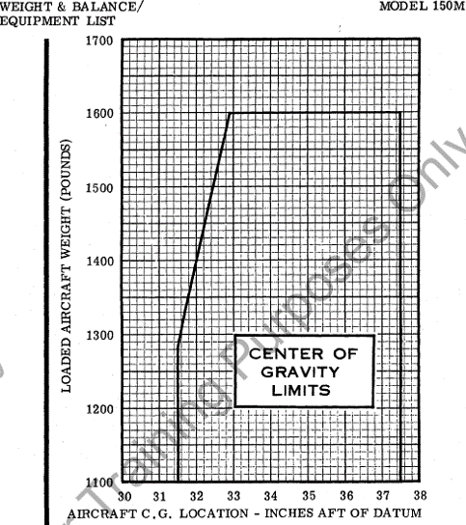
 | Weight Removed | 0 | 0 | 0

 | New CG after change | 1104.6 | 33.07 | 36523.8

 | C152 Envelope

Tables and Graphs C150-152
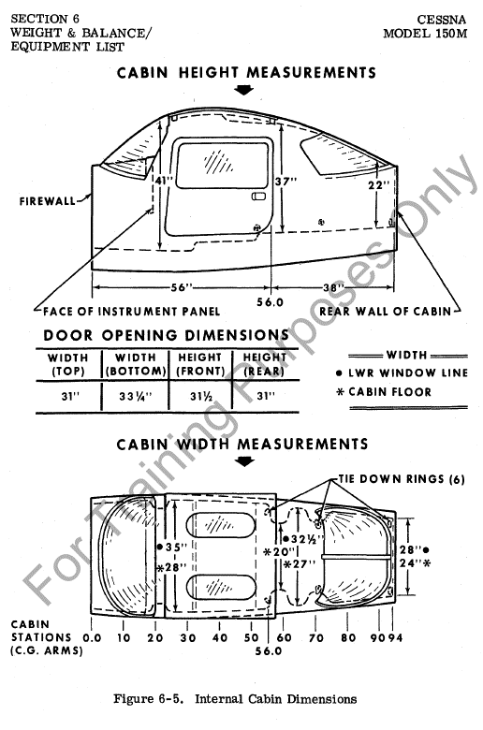
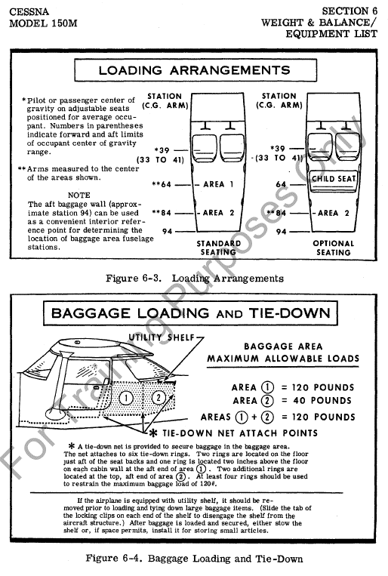
SE Fleet Weight and Balance Table C150 Version |  |  |  |  |  | C-150 Envelope | C-152 Envelope
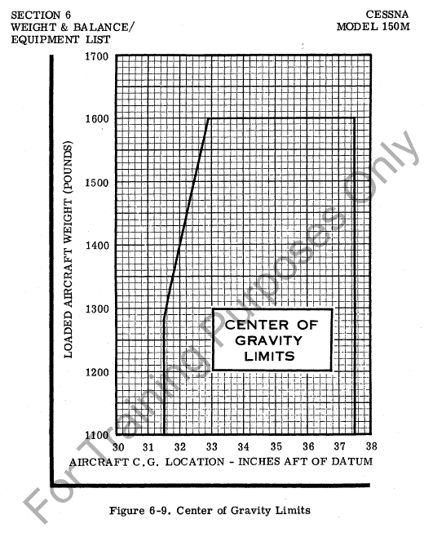
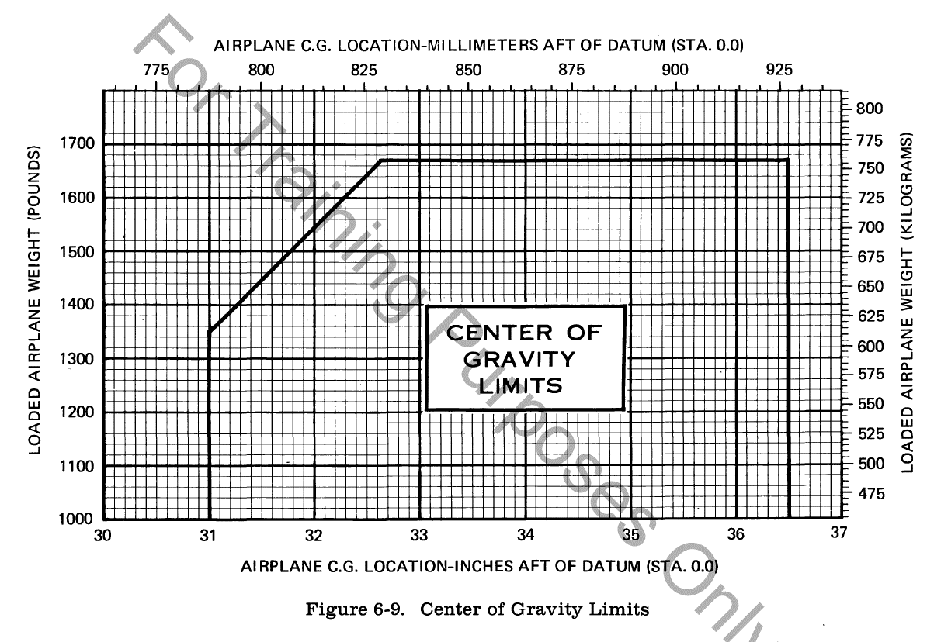
Tail | Type | Gross Ramp Wt | Basic EW | Moment | Useful Load
N98SS | C150 | 1600 | 1104.6 | 36523.76 | 495.42
N113SS | C150 | 1600 | 1111.5 | 36663.81 | 488.5
N115SS | C152 | 1675 | 1195.8 | 36255.8 | 479.2
N117SS | C150 | 1600 | 1121.1 | 37439.2 | 478.92
N118SS | C150 | 1600 | 1122.1 | 36999.85 | 477.9
N119SS | C150 | 1600 | 1128.5 | 36702.15 | 471.5
N120SS | C150 | 1600 | 1123.0 | 37314.67 | 477.02
N704LA | C150 | 1600 | 1109.2 | 36666.51 | 490.76

