Calculator SR20
Weight and Balance Calculator - SR20 Version (R3)
First, goto tab 2 and copy the line of the aircraft you intend to fly and paste it to line 5 below
Second, Fill in Yellow areas only, spreadsheet will do the rest!
Tail | Type | Gross Ramp Wt | Basic EW | Moment | Useful Load | Full Fuel PayLoad
N902SE | SR20 | 3150 | 2168.0 | 305454 | 982 | 1186.0

 |  | Gal on board | lbs/ gallon | Wt |  | Max Usable Fuel Gallons
 | Fuel Gallons-useable | 56 | 6.0 | 336 |  | 56

 |  | Hours | GPH | Gallons Burned | Pounds Burned
 | Length of Flight | 0 | 13 | 0 | 0

 | Item | Weight | Arm | Moment
 | Basic Empty Weight | 2168.0 | 140.89 | 305454
Payload | Pilot (Front Pass 1) | 0 | 143.5 | 0
 | Front Pass 2 | 0 | 143.5 | 0
 | Back Pass 2 | 0 | 180 | 0 | Max weight in each Bag location
 | Back Pass 2 | 0 | 180 | 0 | Bags Max sta 208 | 130
 | Baggage | 0 | 208 | 0
 | Zero Fuel Weight | 2168.0 | 140.89 | 305454.0 | Loaded Aircraft
 | Fuel at Departure | 336 | 153.8 | 51676.8 | Underweight Amt | Overweight Amt
 | Loaded Aircraft TO | 2504.0 | 142.62 | 357130.8 | 646 | 0
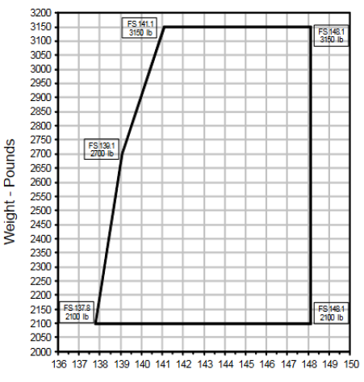
 | Fuel Burned | 0 | 153.8 | 0
 | Loaded AC Landing | 2504.0 | 142.62 | 357130.8

 | Wt Shift Problem | Weight | Arm | Moment
 | Weight Added | 0 | 0 | 0
 | Weight Removed | 0 | 0 | 0

 | New CG after change | 2504.0 | 142.62 | 357130.8

Tables and Graphs SR20
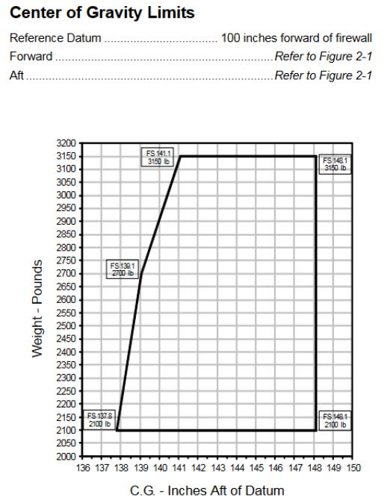
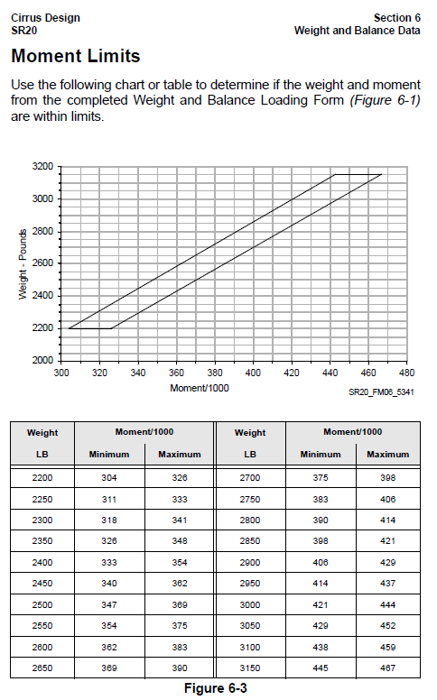
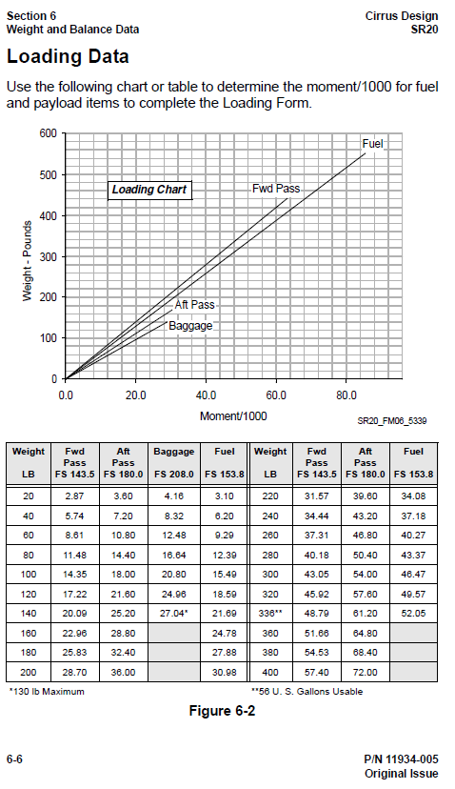
SE Fleet Weight and Balance Table SR20Version

Tail | Type | Gross Ramp Wt | Basic EW | Moment | Useful Load
N901SE | SR20 | 3150 | 2171.0 | 306537 | 979
N902SE | SR20 | 3150 | 2168.0 | 305454 | 982

