W&B Calculator C150-C152
Weight and Balance Calculator - C150 Version (R3)
First, goto tab 2 and copy the line of the aircraft you intend to fly and paste it to line 5 below
Second, Fill in Yellow areas only, spreadsheet will do the rest!
Tail | Type | Gross Ramp Wt | Basic EW | Moment | Useful Load | Full Fuel Payload
N98SS | C150 | 1600 | 1104.6 | 36523.76 | 495.42 | 360.42

 |  | Gal on board | lbs/ gallon | Fuel Wt |  | Max Fuel (Gallons)
 | Fuel Gallons-useable | 0 | 6.0 | 0 |  | 22.5
 |  |  |  |  |  | Note: N117SS is Different!
 |  | Hours | GPH (avg) | Gallons Burned | Pounds Burned
 | Length of Flight | 0 | 5.2 | 0 | 0

 | Item | Weight | Arm | Moment
Payload | Basic Empty Weight | 1104.6 | 33.07 | 36523.76
 | Pilot (Front Pass 1) | 0 | 39 | 0
 | Front Pass 2 | 0 | 39 | 0 | Max wt in each Bag loca (Max 120 lbs)
 | Bags (area 1) Sta 64 | 0 | 64 | 0 | Max sta 64 | 120
 | Bags (area 2) Sta 84 | 0 | 84 | 0 | Max sta 84 | 40

 | Zero Fuel Weight | 1104.6 | 33.07 | 36523.8 | Loaded Aircraft
 | Fuel at Departure | 0 | 48 | 0 | Underweight Amt | Overweight Amt
 | Loaded Aircraft TO | 1104.6 | 33.07 | 36523.8 | 495.42 | 0
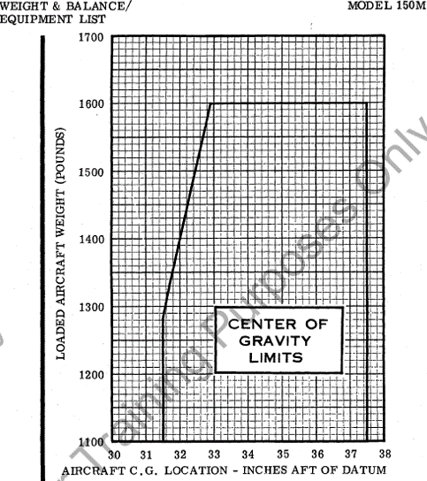
 | Fuel Burned | 0 | 48 | 0
 | Loaded AC Landing | 1104.6 | 33.07 | 36523.8

 | Wt Shift Problem | Weight | Arm | Moment
 | Weight Added | 0 | 0 | 0
 | Weight Removed | 0 | 0 | 0

 | New CG after change | 1104.6 | 33.07 | 36523.8 | For C152 See Next Tab

Tables and Graphs C150-152
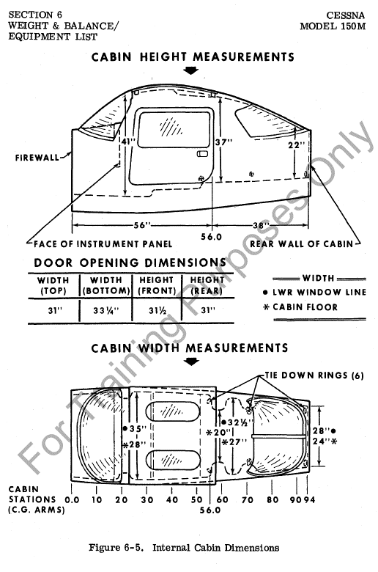
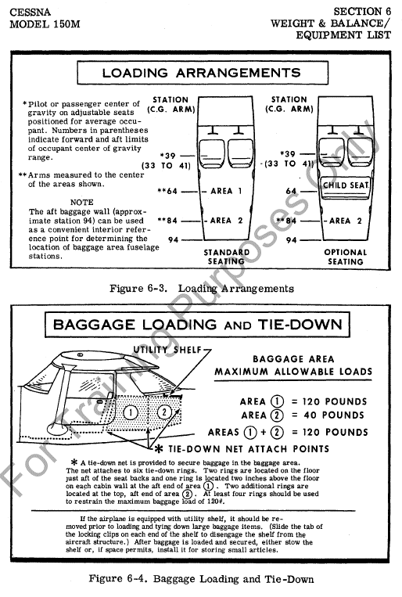
SE Fleet Weight and Balance Table C150 Version |  |  |  |  |  | C-150 Envelope | C-152 Envelope
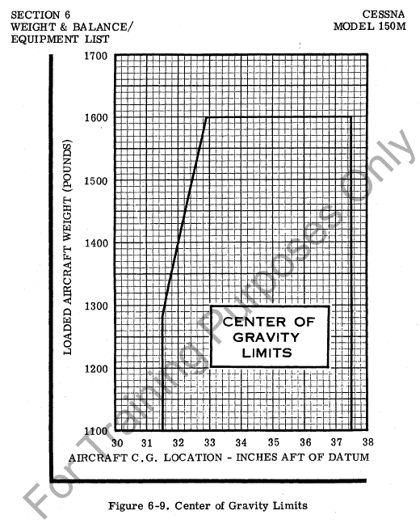
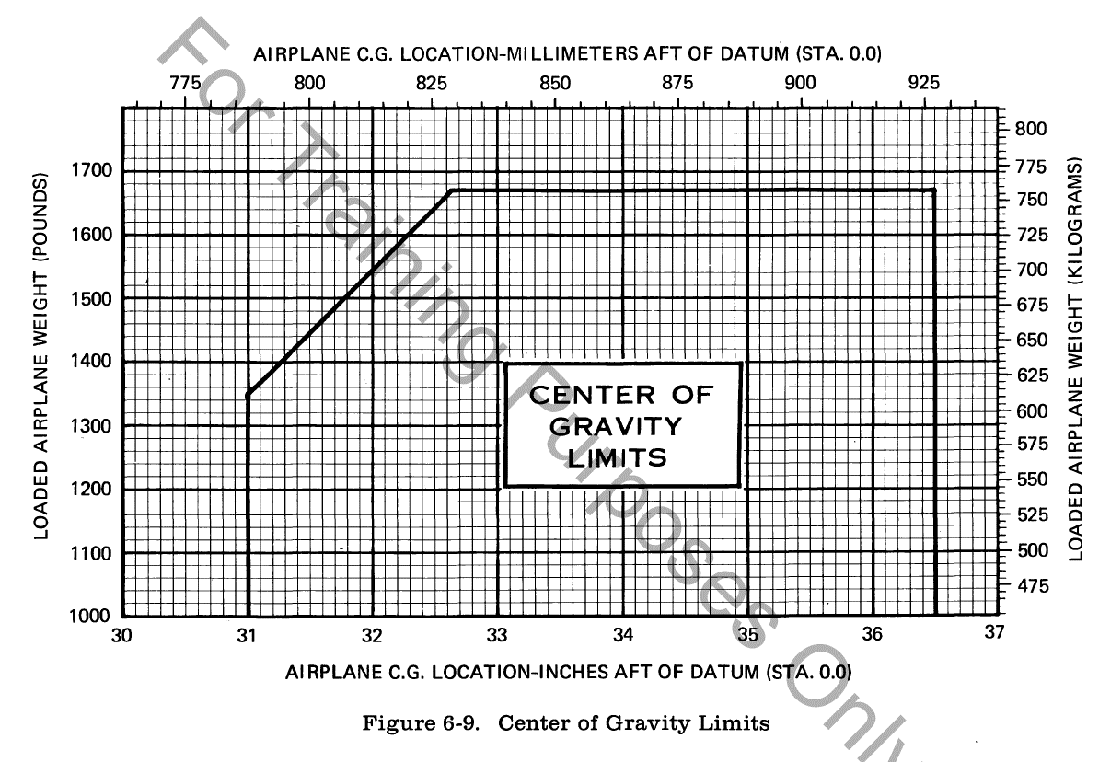
Tail | Type | Gross Ramp Wt | Basic EW | Moment | Useful Load
N98SS | C150 | 1600 | 1104.6 | 36523.76 | 495.42
N113SS | C150 | 1600 | 1103.1 | 36349.75 | 496.92
N115SS | C152 | 1675 | 1188.4 | 36169.1 | 486.56
N117SS | C150 | 1600 | 1121.1 | 37439.2 | 478.92
N118SS | C150 | 1600 | 1112.6 | 37314.25 | 487.4
N120SS | C150 | 1600 | 1123.0 | 37314.67 | 477.02
N704LA | C150 | 1600 | 1109.2 | 36666.51 | 490.76

